Critical
 | WeChat Mobile 2 - User Testing
Critical | Product: Unit Trust (English & Chinese) • Watchlist • Trade • Order Status • Portfolio • Outstanding Pos |  | Overall loading is very slow, response is slow
 | Tested by: Reico
Item/Function/Module | Test issue Description | Type/Status | Screenshots | Updated as of 07/09/2017 |  | 2017-11-3/Status
Watchlist | The information in the column is not customizable. Bid, Ask, Volume and etc is not the display for UT. Unit Trust is to display Indicative NAV, Asset Class, Fund Currency, Min and Subsequent Investment Amount. |  | 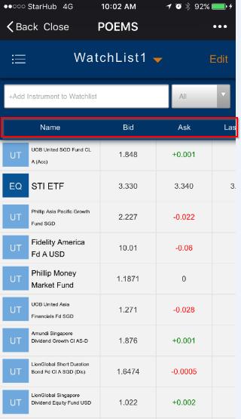 | Not fix yet. |  | ok/Done
Trading of Fund | Change data is wrong - may due to data enviroment issue with Mobile App (if the API is copy from mobile). It is Indicative NAV Date and the date display should be right alignment. It is Minimum Subsequent Investment Amount not Accumulation Amount. It is Payment Currency not Monetary Support. For UT, disclaimer is required. Reference provided on the second screen on the right. |  | 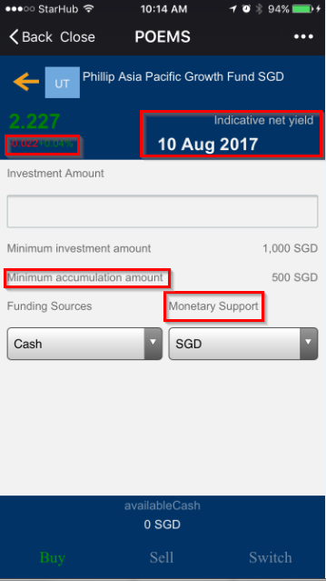 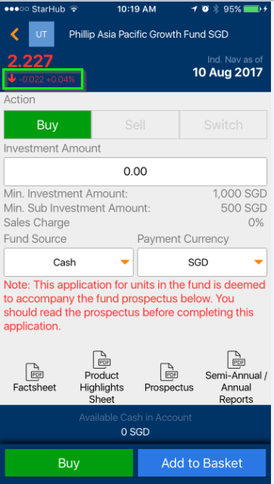 | 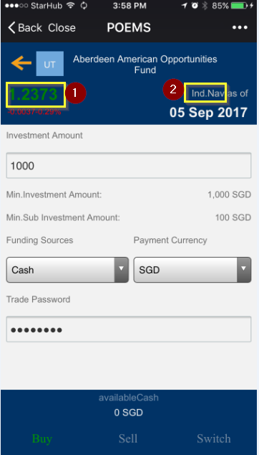 | 1)The Nav price is dropping Hence, it should showing the NAV in RED. 2) Ind. Nav as of (missed a space in between ".NAV" | For UT, disclaimer is required. Reference provided on the second screen on the right. Note：以上问题需要资料 ok/Done
Buy | Order status details need to show investment amount. Need not to show unit, because UT is forward pricing. The unit to be purchased will not know until T+2. |  | 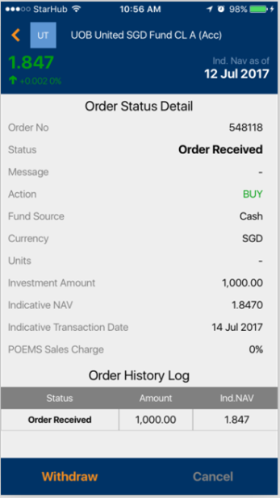 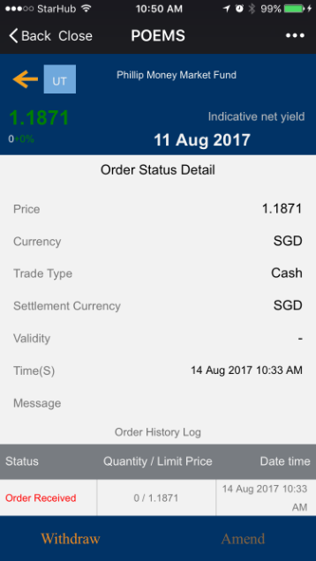 | 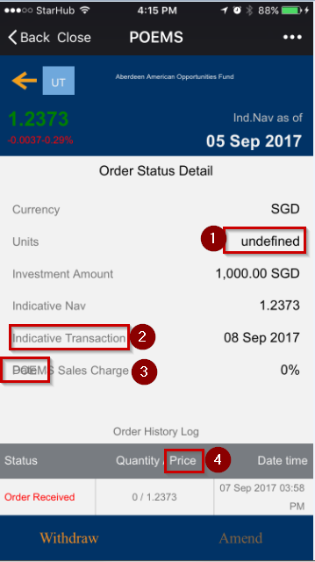 | 1)Please indicate unit as "-" instead of undefined. 2) Indicate Transaction Date. missing of date. 3)not sure what is the word overlapping on the sales charge. 4)Quantity/Price - must indicate only Ind. Nav not the Price as this is not the purchase price. missing of action: to show this is buy/sell/switch transaction in the order status details. | ok/Done
Sell/Switch | Unable to sell/Switch existing UT Holding For chinese version, before discuss on the translation, The trade has no selling function. If the change in % is 0% it should display only 0% for both Chinese and English version |  | 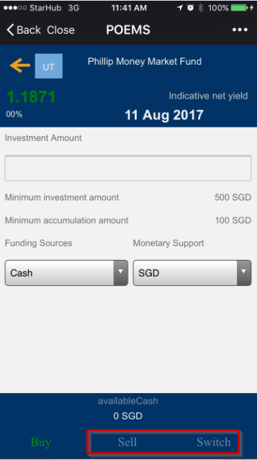 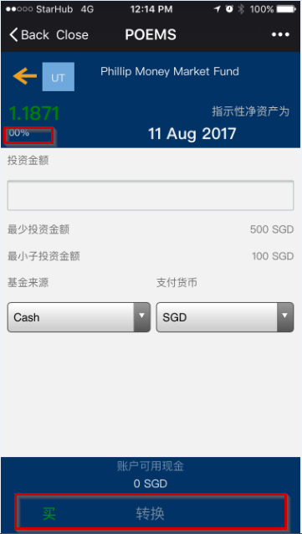 | Not fix yet. |  | ok/Done
Order Status | Ok.
Back | Back Function no response, only can close or proceed to other module.
Outstanding Position | The display is messy and truncated. It is subtotal not class sun Unable to retrieve outstanding position details |  | 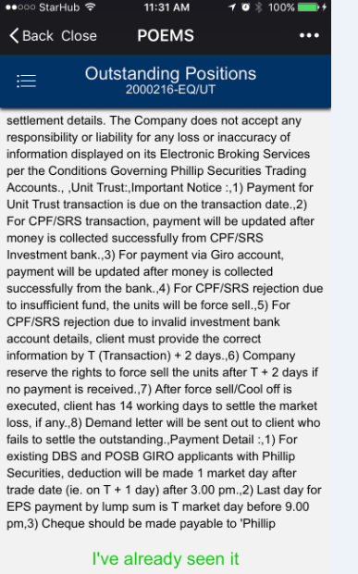 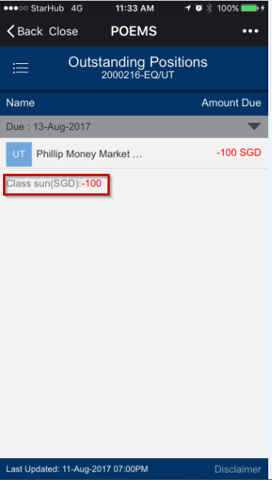 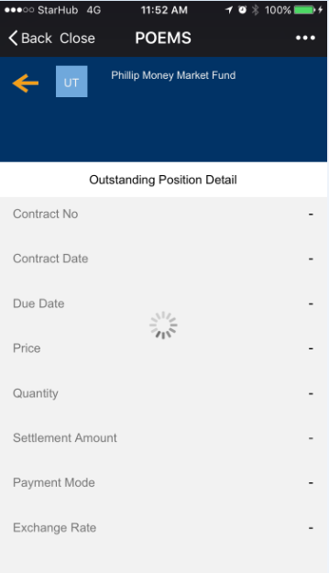 | Unable to test now as live acc does not have outstanding position. |  | The display is messy and truncated. Note:根据数据是有“-”直接填充 ok/Done
Portfolio | The Account Holder's Name should display in second line No response when click on Unit Trust in Portfolio |  | 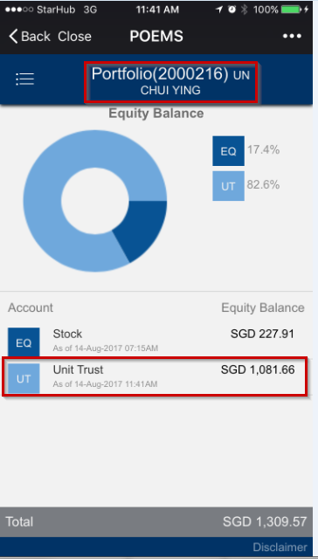 | Not fix yet. |  | No response when click on Unit Trust in Portfolio（先前没有UI等需求） note:需要具体需求显示字段UI等

